HOURLY RIDE REQUESTS
 | Airport | City | (blank)
0 | 53 | 46
1 | 42 | 43
2 | 41 | 58
3 | 45 | 47
4 | 72 | 131
5 | 92 | 353
6 | 89 | 309
7 | 83 | 323
8 | 73 | 350
9 | 89 | 342
10 | 75 | 168
11 | 64 | 107
12 | 87 | 97
13 | 65 | 95
14 | 50 | 86
15 | 76 | 95
16 | 61 | 98
17 | 308 | 110
18 | 405 | 105
19 | 366 | 107
20 | 378 | 114
21 | 343 | 106
22 | 183 | 121
23 | 98 | 96
(blank)
Count of Request id | Column Labels
Row Labels | Airport | City | (blank) | Grand Total
0 | 53 | 46 |  | 99
1 | 42 | 43 |  | 85
2 | 41 | 58 |  | 99
3 | 45 | 47 |  | 92
4 | 72 | 131 |  | 203
5 | 92 | 353 |  | 445
6 | 89 | 309 |  | 398
7 | 83 | 323 |  | 406
8 | 73 | 350 |  | 423
9 | 89 | 342 |  | 431
10 | 75 | 168 |  | 243
11 | 64 | 107 |  | 171
12 | 87 | 97 |  | 184
13 | 65 | 95 |  | 160
14 | 50 | 86 |  | 136
15 | 76 | 95 |  | 171
16 | 61 | 98 |  | 159
17 | 308 | 110 |  | 418
18 | 405 | 105 |  | 510
19 | 366 | 107 |  | 473
20 | 378 | 114 |  | 492
21 | 343 | 106 |  | 449
22 | 183 | 121 |  | 304
23 | 98 | 96 |  | 194
(blank)
Grand Total | 3238 | 3507 |  | 6745

TRIP STATUS BREAKDOWN
Row Labels | Count of Request id
Cancelled | 1264
No Cars Available | 2650
TRIP STATUS BREAKDOWN
Trip Completed | 2831
Grand Total | 6745

Sheet3
Row Labels | Count of Request id
Airport | 587
City | 712
Grand Total | 1299
PICK UP LOCATION DEMAND

DASHBOARD
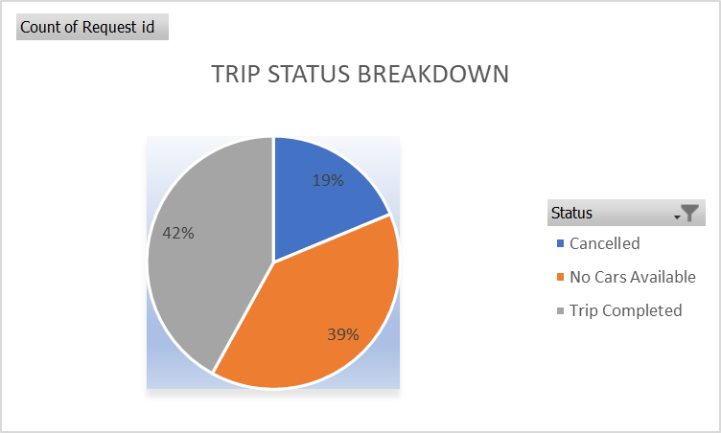
 | Airport | City | (blank)
0 | 53 | 46
1 | 42 | 43
2 | 41 | 58
3 | 45 | 47
4 | 72 | 131
5 | 92 | 353
6 | 89 | 309
7 | 83 | 323
8 | 73 | 350
9 | 89 | 342
10 | 75 | 168
11 | 64 | 107
12 | 87 | 97
13 | 65 | 95
14 | 50 | 86
15 | 76 | 95
16 | 61 | 98
17 | 308 | 110
18 | 405 | 105
19 | 366 | 107
20 | 378 | 114
21 | 343 | 106
22 | 183 | 121
23 | 98 | 96
(blank)

PICK UP LOCATION DEMAND
 | Total
Airport | 587
City | 712
 | Airport | City | (blank)
Evening | 2420 | 1230
Morning | 818 | 2277
(blank)

Sheet4
Count of Request id | Column Labels
Row Labels | Airport | City | (blank) | Grand Total
Evening | 2420 | 1230 |  | 3650
Morning | 818 | 2277 |  | 3095
(blank)
Grand Total | 3238 | 3507 |  | 6745

 | Airport | City | (blank)
Evening | 2420 | 1230
Morning | 818 | 2277
(blank)

